US2 US16 Sprint 5
 | Test Scenarios for SimpCity
 | Test Cases Creation |  |  | System Testing (TDA) |  |  | User Acceptance Testing |  | Team
 | User Stories: | US2 - As a user, I want to be able to save my progress of the game so that I can come back to it in the future & US16 - As a user I want to be able to save my game at any point in the 16 rounds so that I can load my save later. |  | Version Control: | V1 |  | Version Control: | V1 | Scrum Master: | Megan Png
 | Created By: | Hui Ying |  | Tester: | Hui Ying |  | User: | Mr Low | Tech Lead: | Claris
 | Status: | Done |  | Status: | Done |  | Status: | Done | QA: | Hui Ying
 | Dated as of: | 13-Feb-22 |  | Test Date: | 2022-02-14 |  | UAT Date: | 2022-02-14 | Developer: | Amanda Chan
 | Reviwed By: |  |  | Reviwed By: |  |  | Reviwed By:
 | Tech Lead | Claris |  | Scrum Master | Megan |  | Scrum Master: | Megan
 |  |  |  | Tech Lead | Claris |  | Tech Lead: | Claris
 |  |  |  |  |  |  | QA: | Hui Ying
 |  |  |  |  |  |  | Developer: | Amanda

S/NO | Test Scenario | Test Scenario Description | Test Values | Expected Outcome | Boundary? Equivalence? | Functional? Non-Functional? | Pass/ Fail | Actual Outcome | Test Result (Pass / Fail) | Remarks
1 | The user is currently in a game and wants to save the game, hence the option "0" is selected from the configuration to exit to the main men | 1. The user enters the number "5" from the configuration menu when the message "Your Choice" is prompted. 2. The program saves the game progress of the user and the configuration menu along with the 4x4 game grid and the message "Your Choice?" is prompted | Before: The users is in a game
 |  |  | --> Your Choice? 1. The user enters the integer "5" when the message "Your Choice is prompted. After: Your Choice? 5 | The program saves the game progress of the users | Boundary | Functional | Pass | 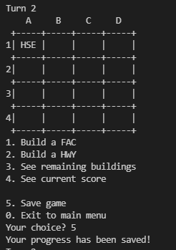 | Pass
2 | The user is currently in a game and wants to save the game, the user enters the option that is not a numeric integer. | 1. The user enters a value that is not a numeric integer when the message "Your Choice" is prompted. | --> Your Choice? 1. The user a value that is not a numeric interger when the message "Your Choice is prompted. After: Your Choice? a | An error message will be prompted to the users to notify the users of an invalid input. The configuration menu is printed again along with the 4x4 game gird. The message "Your Choice?" is prompted again. | Boundary | Functional | Fail | 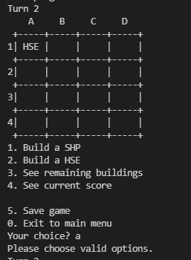 | Pass
3 |  | 1.The user is currently in a game and wants to save the game progress, the user enters the option that is not the numeric integer "5", bur ranges between "0" to "4" when the message "Your Choice?" is prompted | --> Your Choice? 1. The user is currently in a game and wants to save the game progress, the user enters the option that is not the numeric integer "5", bur ranges between "0" to "4" when the message "Your Choice?" is prompted After: Your Choice? 3 | The user will not save the current game progress, instead, the user will be viewing the remaining buildings left in the game. | Boundary | Functional | Pass | 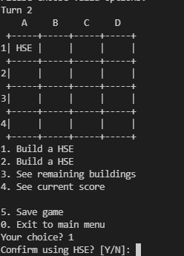 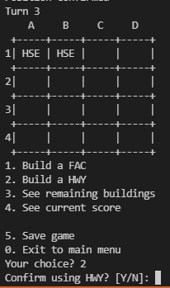 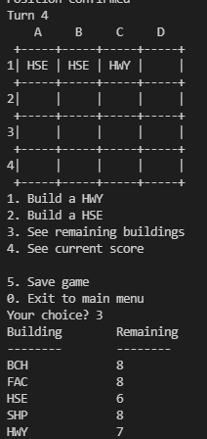 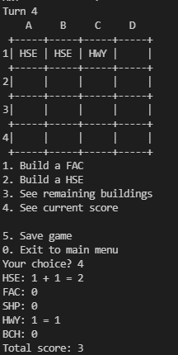 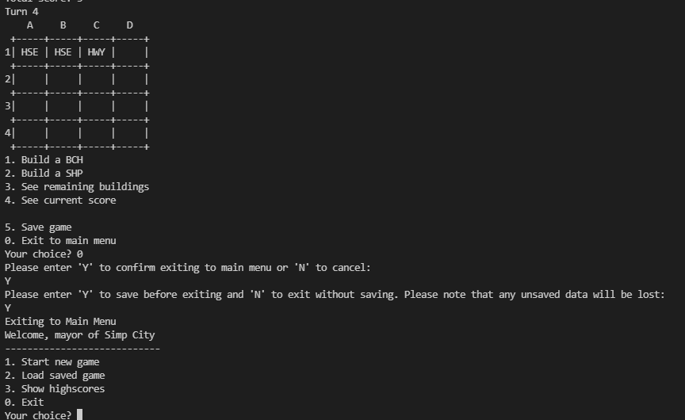 | Pass

